Inquiry
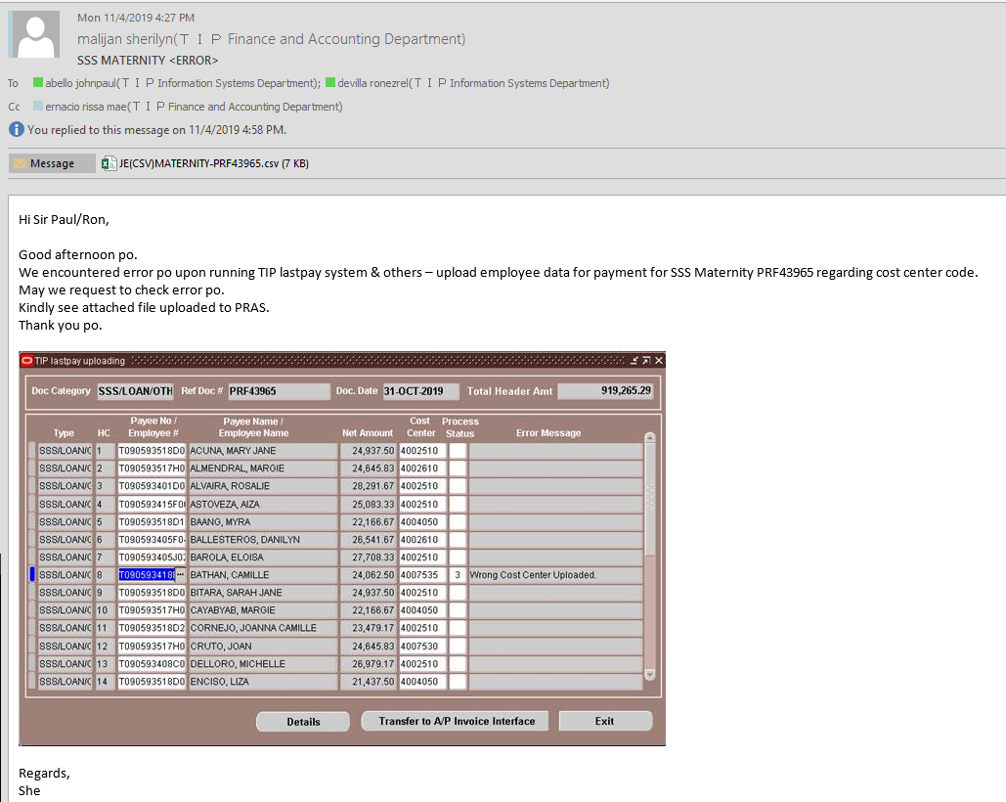

Checking
Toshiba Information Equipment (Phils.)| Inc.
SSS Sickness/Maternity Summary
PRF No. 43965 |  |  | J O U R N A L E N T R I E S - I N D I R E C T / D I R E C T
 |  |  |  |  | BU | Cost | SSS Claim | Rec. from Employees-Salary Loan
HC | Employee# | Employee Name | NET DUE | Description | Code | Center | 1513 | 1512-005
1 | T090593518D0843 | ACUNA| MARY JANE | 24937.5 | MB 1ST |  | 4002510 | 24937.5
2 | T090593517H0177 | ALMENDRAL| MARGIE | 24645.83 | MB 1ST |  | 4002610 | 24645.83
3 | T090593401D0182 | ALVAIRA| ROSALIE | 28291.67 | MB 1ST |  | 4002510 | 28291.67
4 | T090593415F0010 | ASTOVEZA| AIZA | 25083.33 | MB 1ST |  | 4002510 | 25083.33
5 | T090593518D1399 | BAANG| MYRA | 22166.67 | MB 1ST |  | 4004050 | 22166.67
6 | T090593405F0429 | BALLESTEROS| DANILYN | 26541.67 | MB 1ST |  | 4002610 | 26541.67
7 | T090593405J0247 | BAROLA| ELOISA | 27708.33 | MB 1ST |  | 4002510 | 27708.33
8 | T090593418B0009 | BATHAN| CAMILLE | 24062.5 | MB 1ST |  | 4007535 | 24062.5
9 | T090593518D0211 | BITARA| SARAH JANE | 24937.5 | MB 1ST |  | 4002510 | 24937.5
10 | T090593517H0350 | CAYABYAB| MARGIE | 22166.67 | MB 1ST |  | 4004050 | 22166.67
11 | T090593518D2778 | CORNEJO| JOANNA CAMILLE | 23479.17 | MB 1ST |  | 4002510 | 23479.17
12 | T090593517H0704 | CRUTO| JOAN | 24645.83 | MB 1ST |  | 4007530 | 24645.83
13 | T090593408C0165 | DELLORO| MICHELLE | 26979.17 | MB 1ST |  | 4002510 | 26979.17
14 | T090593518D0742 | ENCISO| LIZA | 21437.5 | MB 1ST |  | 4004050 | 21437.5
15 | T090593409L0326 | ESPANOLA| JENYME | 26687.5 | MB 1ST |  | 4002510 | 26687.5
16 | T090593518D0370 | ESPINOSA| MARINA | 23770.83 | MB 1ST |  | 4002610 | 23770.83
17 | T090593411J0195 | FERANCO| CHERRIE | 24645.83 | MB 1ST |  | 4002510 | 24645.83
18 | T090593408C0083 | GARCIA| JEAN | 24791.67 | MB 1ST |  | 4002510 | 24791.67
19 | T090593416L0034 | GUZMAN| ERICKA JOY | 20416.67 | MB 1ST |  | 4006040 | 20416.67
20 | T090593518D2186 | HEMOR| HILDA | 23916.67 | MB 1ST |  | 4007530 | 23916.67
21 | T090593517H0941 | HINDRANA| NORVY | 25229.17 | MB 1ST |  | 4007550 | 25229.17
22 | T090593411J0106 | ISIDORO| ROSALINDA | 25666.67 | MB 1ST |  | 4002510 | 25666.67
23 | T090593403L0228 | MALTO| JUDITH | 29166.67 | MB 1ST |  | 4002510 | 29166.67
24 | T090593517H0436 | MANALO| JENNYBELLE | 23916.67 | MB 1ST |  | 4002510 | 23916.67
25 | T090593517J0381 | MATIBAG| LOVELY | 21875 | MB 1ST |  | 4002510 | 21875
26 | T090593417G0173 | NAJITO| MAURENE | 24500 | MB 1ST |  | 4002610 | 24500
27 | T090593418C0170 | RADA| LECELYN | 24645.83 | MB 1ST |  | 4007530 | 24645.83
28 | T090593518D2836 | REYES| CHARISSE ANN | 23770.83 | MB 1ST |  | 4002510 | 23770.83
29 | T090593104H5002 | ROADIEL II| JONABHEL | 28145.83 | MB 1ST |  | 4007540 | 28145.83
30 | T090593517H1004 | SABALBORO| PRINCES | 23916.67 | MB 1ST |  | 4002610 | 23916.67
31 | T090593518D2916 | SACAY| MACHELLE | 23625 | MB 1ST |  | 4002610 | 23625
32 | T090593518D1834 | SALVADOR| JOCELYN | 22458.33 | MB 1ST |  | 4007550 | 22458.33
33 | T090593199F5012 | SARMIENTO| FLORDELIZA | 30333.33 | MB 1ST |  | 3006030 | 30333.33
34 | T090593407L0570 | TABOR| FRITZ ANN | 24791.67 | MB 1ST |  | 4002510 | 24791.67
35 | T090593403E0265 | TANAEL| ANTONETTE | 25666.67 | MB 1ST |  | 4002510 | 25666.67
36 | T090593518D1847 | TERRIBLE| JOSEPHINE | 21369.44 | MB 1ST |  | 4007510 | 21369.44
37 | T090593404B0381 | VELASCO| RUTH | 28875 | MB 1ST |  | 4002610 | 28875

 | ERROR

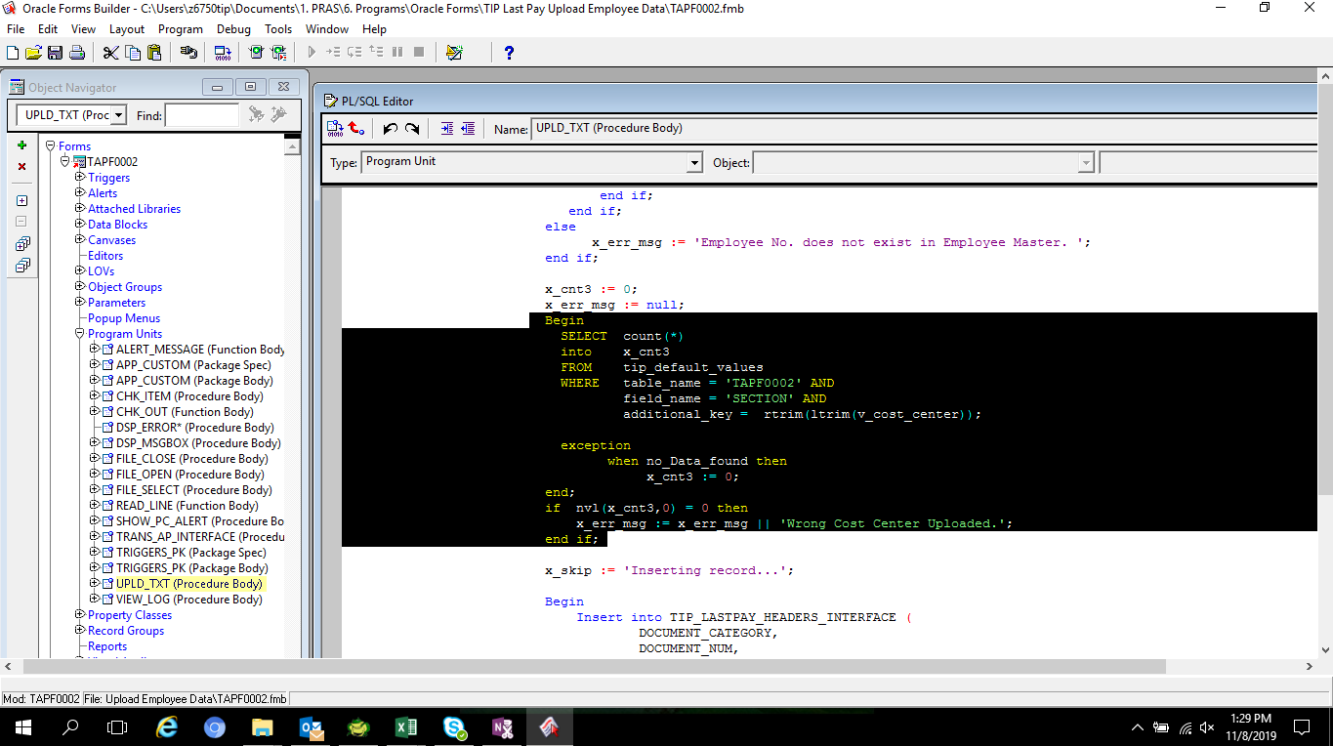

NO SET UP IN TIP DEFAULT VALUES
New cost center for 19B
Table Name: TAPF0002
Field Name : SECTION

 | SELECT *
 | FROM APPS.tip_default_values
 | WHERE table_name = 'TAPF0002'
 | AND field_name = 'SECTION'
 | AND additional_key IN
 | ('4007535',
 | '3002850',
 | '4002810',
 | '4002830',
 | '4002820',
 | '2001670') -- rtrim(ltrim('4007535'));

 | NO DATA FOUND

Recovery
SET UP IN TIP DEFAULT VALUES FOR THE 19B NEW COST CENTER

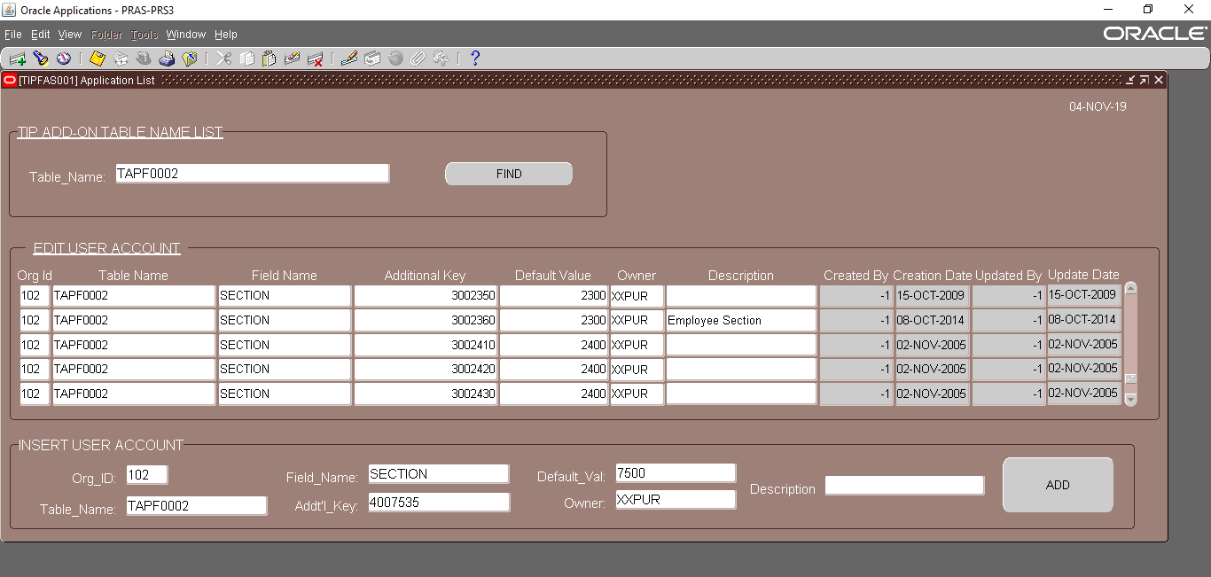

SELECT additional_key, default_value
FROM APPS.TIP_CBS_DEFAULT_VALUES
WHERE 1=1
AND field_name = 'DEPT_LINK_SECT'
AND additional_key IN ('4007535',
'3002850',
'4002810',
'4002830',
'4002820',
'2001670')

ADDITIONAL_KEY | DEFAULT_VALUE
2001670 | 1600
3002850 | 2800
4002810 | 2800
4002830 | 2800
4002820 | 2800
4007535 | 7500

